Calculations
 |  |  | Variables
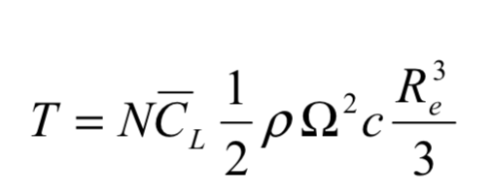
 |  |  | OEW |  | Payload |  | Fuel
 |  |  | 13734 | N | 5640.75 | N |  | N
 |  |  | 1400 | kg | 575 | kg |  | kg

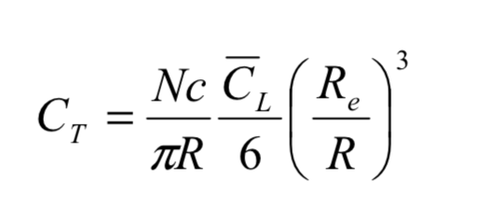
 |  |  | Calculables |  |  |  |  |  |  |  |  | Gas turbine performance at varying ambient temperature
 |  |  |  |  |  |  |  |  |  |  |  | https://www.sciencedirect.com/science/article/pii/S1359431111002468
 |  |  | Altitude | Temp | Celcius | a | Pressure | Density | Speed of Sound | Pressure Ratio | Density Ratio | Temperature Ratio
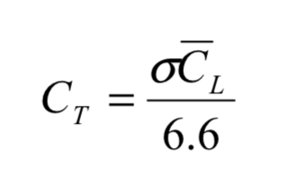
 |  |  | 0 | 288.15 | 15 | 340.26264855 | 101325 | 1.2252256828 | 340.26264855 | 1 | 1 | 1
 |  |  | 1200 | 280.35 | 7.2 | 335.62572905 | 87715.042662 | 1.0901634612 | 335.62572905 | 0.86568016444 | 0.88976543387 | 1.0078
 |  |  | 1800 | 276.45 | 3.3 | 333.28307788 | 81488.466378 | 1.0270643465 | 333.28307788 | 0.80422863437 | 0.83826544038 | 1.0117
 |  |  | 3000 | 268.65 | -4.5 | 328.54766777 | 70107.444806 | 0.9092753068 | 328.54766777 | 0.69190668449 | 0.74212883356 | 1.0195
 |  |  | 4000 | 262.15 | -11 | 324.54871745 | 61638.930289 | 0.81926298664 | 324.54871745 | 0.60832894438 | 0.66866292322 | 1.026
 |  |  | 5000 | 255.65 | -17.5 | 320.49987519 | 54018.464771 | 0.73623175156 | 320.49987519 | 0.53312079715 | 0.60089480813 | 1.0325
 |  |  | 6000 | 249.15 | -24 | 316.39922566 | 47179.491428 | 0.65979719797 | 316.39922566 | 0.46562537802 | 0.53851074725 | 1.039
 |  |  | 7000 | 242.65 | -30.5 | 312.24472774 | 41059.16331 | 0.58958700513 | 312.24472774 | 0.40522243582 | 0.48120686125 | 1.0455
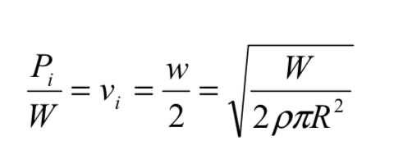
 |  |  | 8000 | 236.15 | -37 | 308.03420265 | 35598.225252 | 0.52524085562 | 308.03420265 | 0.35132716755 | 0.42868906766 | 1.052
 |  |  | 8950 | 229.975 | -43.175 | 303.9801885 | 30970.249892 | 0.46922612619 | 303.9801885 | 0.30565260195 | 0.38297118057 | 1.058175
 |  |  | 9000 | 229.65 | -43.5 | 303.7653206 | 30740.896576 | 0.46641035443 | 303.7653206 | 0.3033890607 | 0.38067301477 | 1.0585 |  | 1 | 2.4817443744
 |  |  |  |  |  |  |  | 100.60371125 | 100.07073483 |  | http://up.farsscript.ir/uploads/13316846411.pdf
 |  |  |  |  |  |  |  |  |  |  | GE gas turbine performance characteristics

 |  |  | Kaman Kmax
HAMRAC |  |  | http://www.aviastar.org/helicopters_eng/kaman_max.php |  |  |  |  | Janes AWA |  |  |  |  | 12.5 deg | https://arc.aiaa.org/doi/pdf/10.2514/6.2015-0564 |  |  |  |  | SAME ROTOR |  | SAME ROTOR
OEW+PL | Fuel | OEW | MTOW |  | Rotor Area |  | Disk Loading |  | Rotor RPM |  | d |  | K overlap |  | Induced Power |  |  |  | Induced Power
23612.67 | 4237.92 | 22896.54 | 53395.83 | N | 170.41011717 | m | 156.66860304 | N/m^2 | 270 | rpm | 1 | m | 1.3236041227 |  | 585815.85956 | W | 585.81585956 | kW | 278377.87296 | W | 278.37787296 | kW
2407 | 432 | 2334 | 5443 | kg | 14.73 | m diameter | 15.970295926 | kg/m^2 |  |  |  |  |  |  | Power Loading |  |  |  | Power Loading
 |  |  |  |  | 7.365 | m radius |  |  |  |  |  |  |  |  | 10.971191188 | W/N |  |  | 11.789343304 | W/N
 |  |  | Kaman HH43
HAMRAC |  |  | http://www.flugzeuginfo.net/acdata_php/acdata_k600_en.php |  |  |  |  | Janes AWA |  |  |  |  | 12.5 deg | https://arc.aiaa.org/doi/pdf/10.2514/6.2015-0564 |  |  |  |  | SAME ROTOR |  | SAME ROTOR
OEW+PL | Fuel | OEW | MTOW |  | Rotor Area |  | Disk Loading |  | Rotor RPM |  | d |  | K overlap |  | Induced Power |  |  |  | Induced Power
23612.67 | 4237.92 | 19767.15 | 41300.1 | N | 161.05563234 | m | 128.21687574 | N/m^2 | 270 | rpm | 1 | m | 1.3211688826 |  | 409153.9245 | W | 409.1539245 | kW | 285821.34992 | W | 285.82134992 | kW
2407 | 432 | 2015 | 4210 | kg | 14.32 | m diameter | 13.070017915 | kg/m^2 |  |  |  |  |  |  | Power Loading |  |  |  | Power Loading
 |  |  |  |  | 7.16 | m radius |  |  |  |  |  |  |  |  | 9.9068506976 | W/N |  |  | 12.104575633 | W/N
 |  |  | Sikorsky X2
HAMRAC |  |  | https://web.archive.org/web/20130913122921/http://www.unicopter.com/1465.html |  |  |  |  |  |  | Janes AWA |  |  |  |  |  |  |  |  | SAME ROTOR |  | SAME ROTOR
OEW+PL | Fuel | OEW | MTOW |  | Rotor Area |  | Disk Loading |  | Rotor RPM |  | d |  | K overlap |  | Induced Power |  |  |  | Induced Power
23612.67 | 4237.92 | 23583.628093 | 27121.172307 | N | 50.854297627 | m | 266.65565717 | N/m^2 | 446 | rpm | - |  | - |  | 282918.15359 | W/N | 282.91815359 | kW | 371392.15682 | W | 371.39215682 | kW
2407 | 432 | 2404.039561 | 2764.6454951 | kg | 13.2 | ft | 27.182024176 | kg/m^2 |  |  |  |  |  |  | Power Loading |  |  |  | Power Loading
 |  | 5300 | 6095 | lbs | 4.02336 | m radius |  |  |  |  |  |  |  |  | 10.431634384 | W/N |  |  | 15.728511719 | W/N
 |  |  | Kamov Ka-26
HAMRAC |  |  | Janes AWA |  |  |  |  |  |  |  |  |  |  |  |  |  |  |  | SAME ROTOR |  | SAME ROTOR
OEW+PL | Fuel | OEW | MTOW |  | Rotor Area |  | Disk Loading |  | Rotor RPM |  | d |  | K overlap |  | Induced Power |  |  |  | Induced Power
23612.67 | 4237.92 | 20601 | 35316 | N | 132.73228961 | m | 133.03469752 | N/m^2 | 446 | rpm | - |  | - |  | 260214.16116 | W/N | 260.21416116 | kW | 229883.74586 | W | 229.88374586 | kW
2407 | 432 | 2100 | 3600 | kg | 13 | m diameter | 13.561131246 | kg/m^2 |  |  |  |  |  |  | Power Loading |  |  |  | Power Loading
 |  |  |  |  | 6.5 | m radius |  |  |  |  |  |  |  |  | 7.3681663031 | W/N |  |  | 9.7356099863 | W/N
 |  |  | Piasecki HUP
HAMRAC |  |  | Janes AWA 1957-59 |  |  |  |  |  |  |  |  |  |  |  |  |  |  |  | SAME ROTOR |  | SAME ROTOR
OEW+PL | Fuel | OEW | MTOW |  | Rotor Area |  | Disk Loading |  | Rotor RPM |  | d |  | K overlap |  | Induced Power |  |  |  | Induced Power
23612.67 | 4237.92 | 18383.94 | 27144.27 | N | 89.416716965 | m | 151.78520819 | N/m^2 | 225 | rpm | 6 |  | 1.1092056066 |  | 225298.74345 | W | 225.29874345 | kW | 295376.62199 | W | 295.37662199 | kW
2407 | 432 | 1874 | 2767 | kg | 10.67 | m diameter | 15.472498286 | kg/m^2 |  |  |  |  | 1.092322 |  | Power Loading |  |  |  | Power Loading
Structural Penalty Tandem |  |  |  |  | 5.335 | m radius |  |  |  |  |  |  |  |  | 8.3000479824 | W/N |  |  | 12.509242792 | W/N
0 | HUP
0 | H-21
 |  |  | Piasecki H21
HAMRAC |  |  | http://www.flugzeuginfo.net/acdata_php/acdata_h21_en.php |  |  |  |  |  |  |  |  |  |  |  |  |  |  |  | SAME ROTOR |  | SAME ROTOR
OEW+PL | Fuel | OEW | MTOW |  | Rotor Area |  | Disk Loading |  | Rotor RPM |  | d |  | K overlap |  | Induced Power |  |  |  | Induced Power
23612.67 | 4237.92 | 35600.49 | 65413.08 | N | 141.23665947 | m | 231.57259683 | N/m^2 | 225 | rpm | 7 |  | 1.124913137 |  | 675610.39579 | W | 675.61039579 | kW | 236774.00783 | W | 236.77400783 | kW
2407 | 432 | 3629 | 6668 | kg | 13.41 | m diameter | 23.605769299 | kg/m^2 |  |  |  |  |  |  | Power Loading |  |  |  | Power Loading
 |  |  |  |  | 6.705 | m radius |  |  |  |  |  |  |  |  | 10.328368513 | W/N |  |  | 10.027413581 | W/N
 |  |  | H125
HAMRAC |  |  | Janes AWA |  |  |  |  | Janes AWA |  |  |  |  |  |  |  |  |  |  | SAME ROTOR |  | SAME ROTOR
OEW+PL | Fuel | OEW | MTOW |  | Rotor Area |  | Disk Loading |  | Rotor RPM |  | d |  | K overlap |  | Induced Power |  |  |  | Induced Power
23612.67 | 4237.92 | 12527.37 | 23249.7 | N | 89.920235727 | m | 258.55915314 | N/m^2 | 394 | rpm | - | m | - |  | 238821.96536 | W | 238.82196536 | kW | 394987.03225 | W | 394.98703225 | kW
2407 | 432 | 1277 | 2370 | kg | - | ft | 26.356692471 | kg/m^2 |  |  |  |  |  |  | Power Loading |  |  |  | Power Loading
 |  |  |  |  | 5.35 | m radius |  |  |  |  |  |  |  |  | 10.272045031 | W/N |  |  | 16.727758117 | W/N
 |  |  | AW 109
HAMRAC |  |  | Janes AWA |  |  |  |  | Janes AWA |  |  |  |  |  |  |  |  |  |  | SAME ROTOR |  | SAME ROTOR
OEW+PL | Fuel | OEW | MTOW |  | Rotor Area |  | Disk Loading |  | Rotor RPM |  | d |  | K overlap |  | Induced Power |  |  |  | Induced Power
23612.67 | 4237.92 | 15548.85 | 27958.5 | N | 95.033177771 | m | 294.19725464 | N/m^2 | 394 | rpm | - | m | - |  | 306344.53101 | W | 306.34453101 | kW | 384214.65864 | W | 384.21465864 | kW
2407 | 432 | 1585 | 2850 | kg | 11 | m diameter | 29.989526467 | kg/m^2 |  |  |  |  |  |  | Power Loading |  |  |  | Power Loading
 |  |  |  |  | 5.5 | m radius |  |  |  |  |  |  |  |  | 10.957116119 | W/N |  |  | 16.271546532 | W/N
 |  |  |  |  |  |  |  |  |  |  |  |  |  |  |  |  |  |  |  |  | 389.60084545
 |  | 1431

Literature
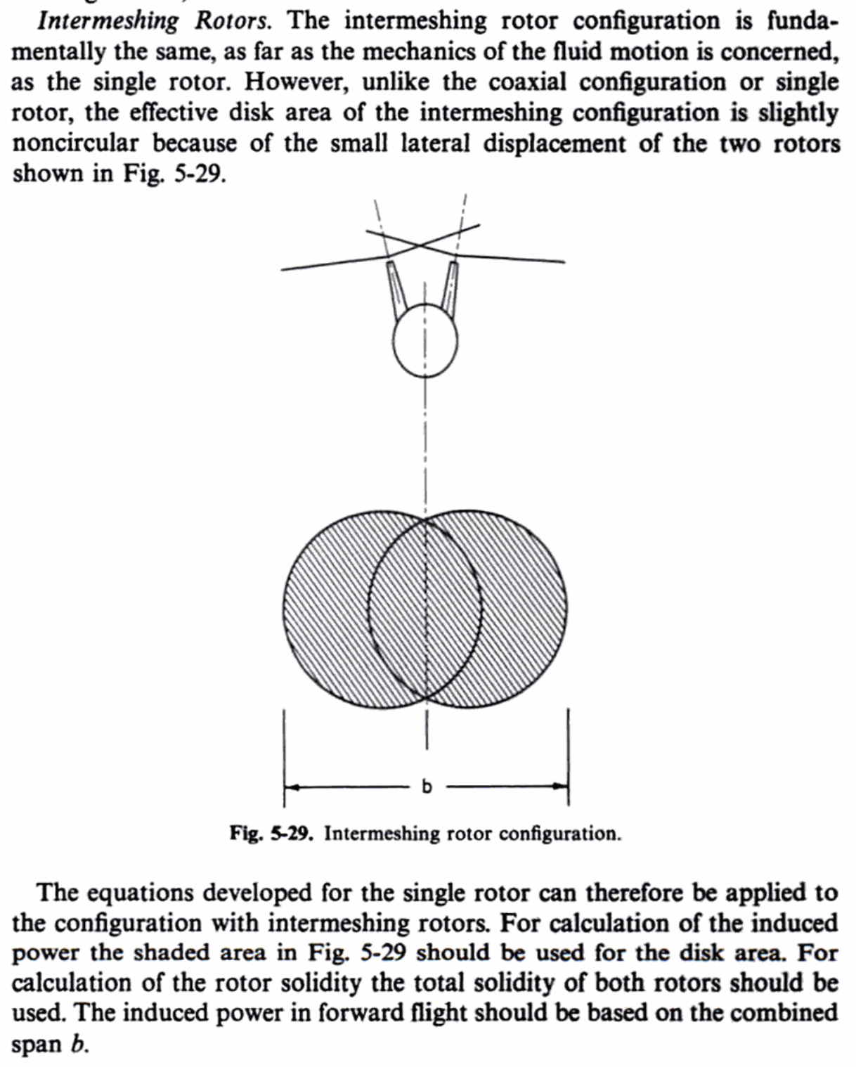
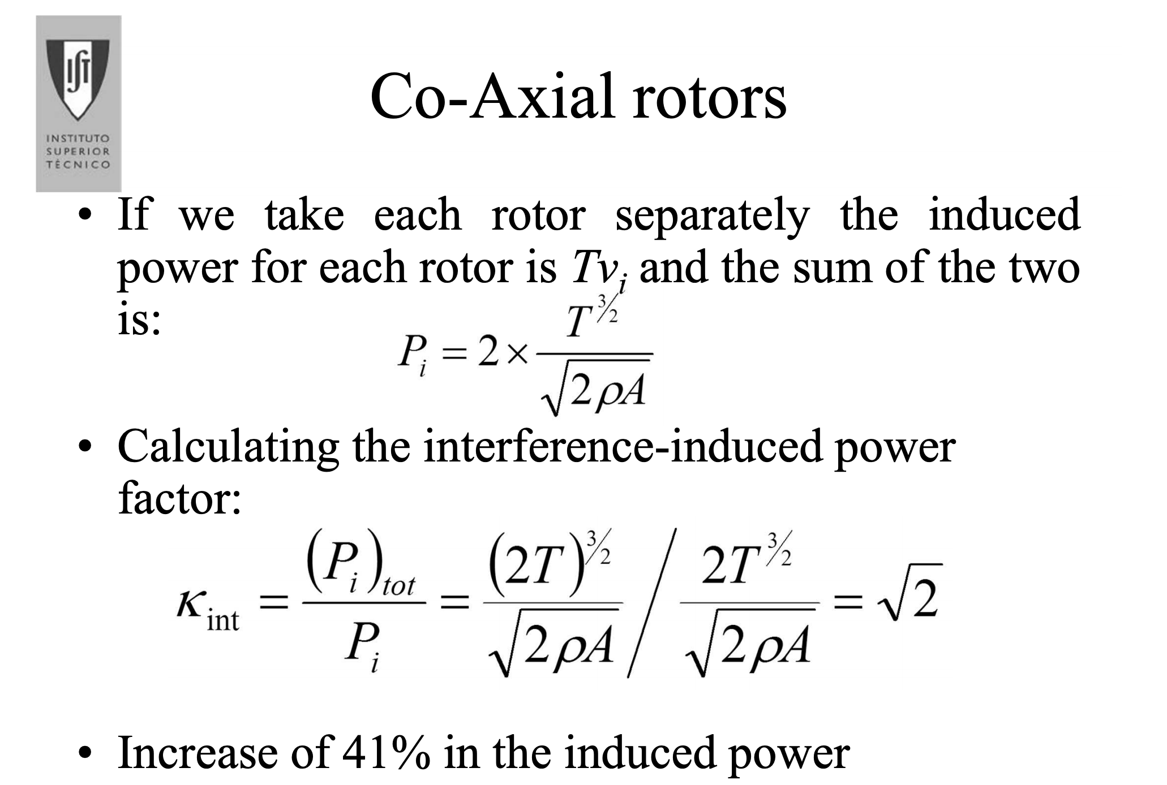
 |  | Slide 68

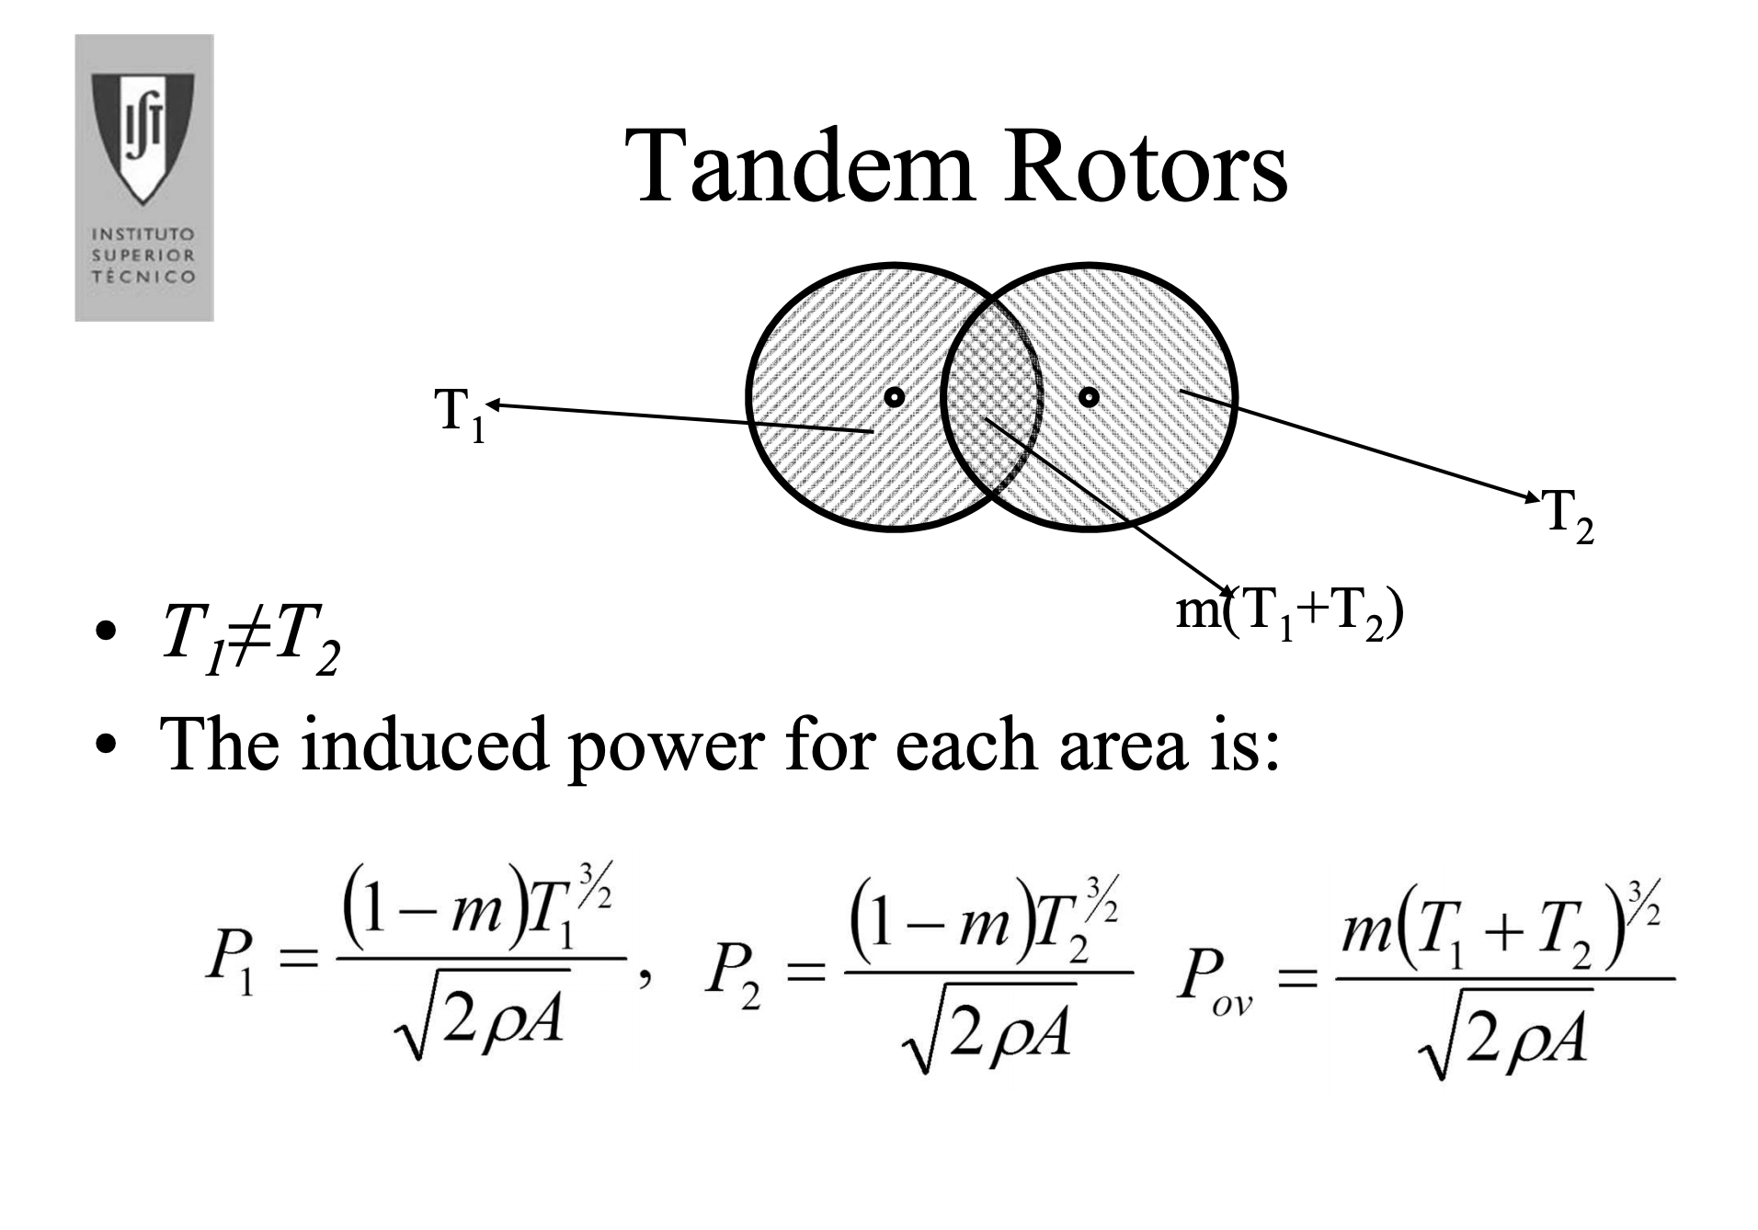
 |  | slide 71

Aerodynamics of V/STOL Flight
Door Barnes Warnock McCormick

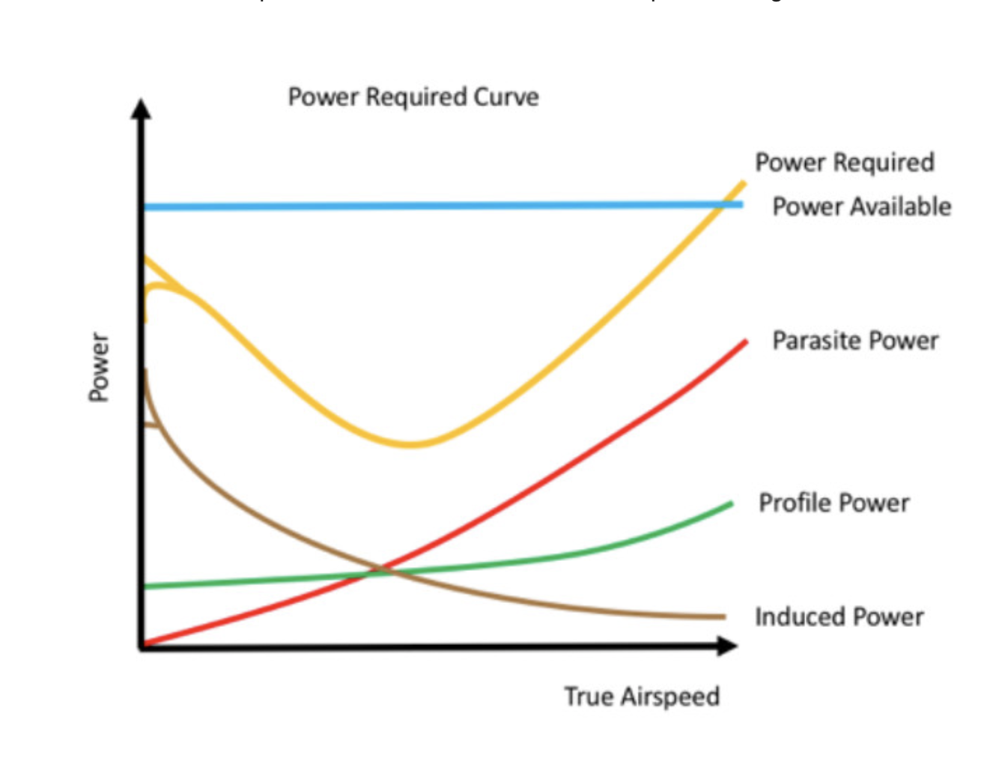

 | https://www.flightsafetyaustralia.com/2018/02/a-matter-of-time-plus-speed-distance-weight-and-heat/

